Sheet1
PIONEER SERVICES



 |  |  |  | Date: | 25-Apr-25
 |  |  |  | PO # | 12

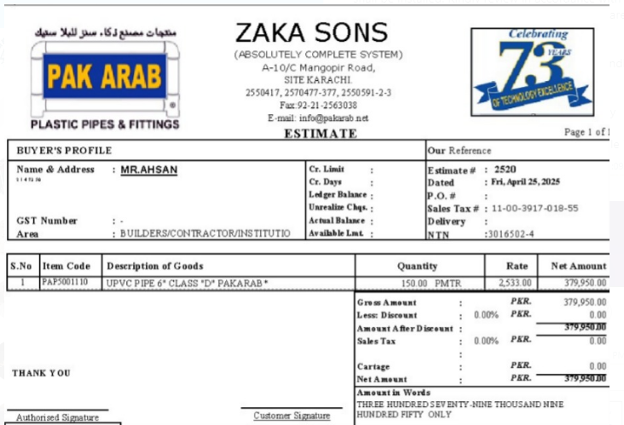
M/S Zaka Sons

Att: Mr. Maaz

PURCHASE ORDER

Supply of UPVC Pipe for the project (Honey moon lounge)
S No. | D e s c r i p t i o n | Qty | Unit | Rate | Amount
 | Brand: Pak Arab
1 | Supply of UPVC pipe 6" Dia Class D | 150 | MTR | 2,533 | 379,950
 |  | TOTAL: |  |  | 379,950

for PIONEER SERVICES

